Team Nomination
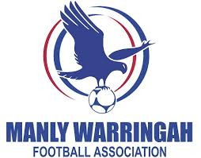
 | * Please electronically complete this form, save as "Your Team Name_Venue_2026" and return email to summerfootball@mwfa.com.au. Nominations must be returned in an EXCEL format
 | * Team managers must be over 18 years of age and have a current Working With Children Check
 | * Teams must have a minimum of 7 players maximum 10
 | * Players who have not played in winter this season, please enter N/A in the team columns
 | * Maximum of two Youth League Players and/or JDL players per team.
 | *Mixed All Age Teams - A maximum of two male field players may be on the field at any time. Thus, teams must have at least three female field players on the field at all times. The goalkeeper may be male or female and is not included in this requirement.
Venue - Cromer, Forest High, Narrabeen

Team
Name | Comp | Age Group | Ability Level

Manager/s
First Name | Last Name | DOB | WWCC | Mobile | Email

Players |  |  | 2026 Winter |  | Shirt Size (see second tab)
First Name | Last Name | DOB | Club | Team/Div

Shirt Sizes
MWFA Summer Soccer Jersey Sizes - Unisex fit
If in doubt, choose a shirt one size larger to ensure a comfortable fit.

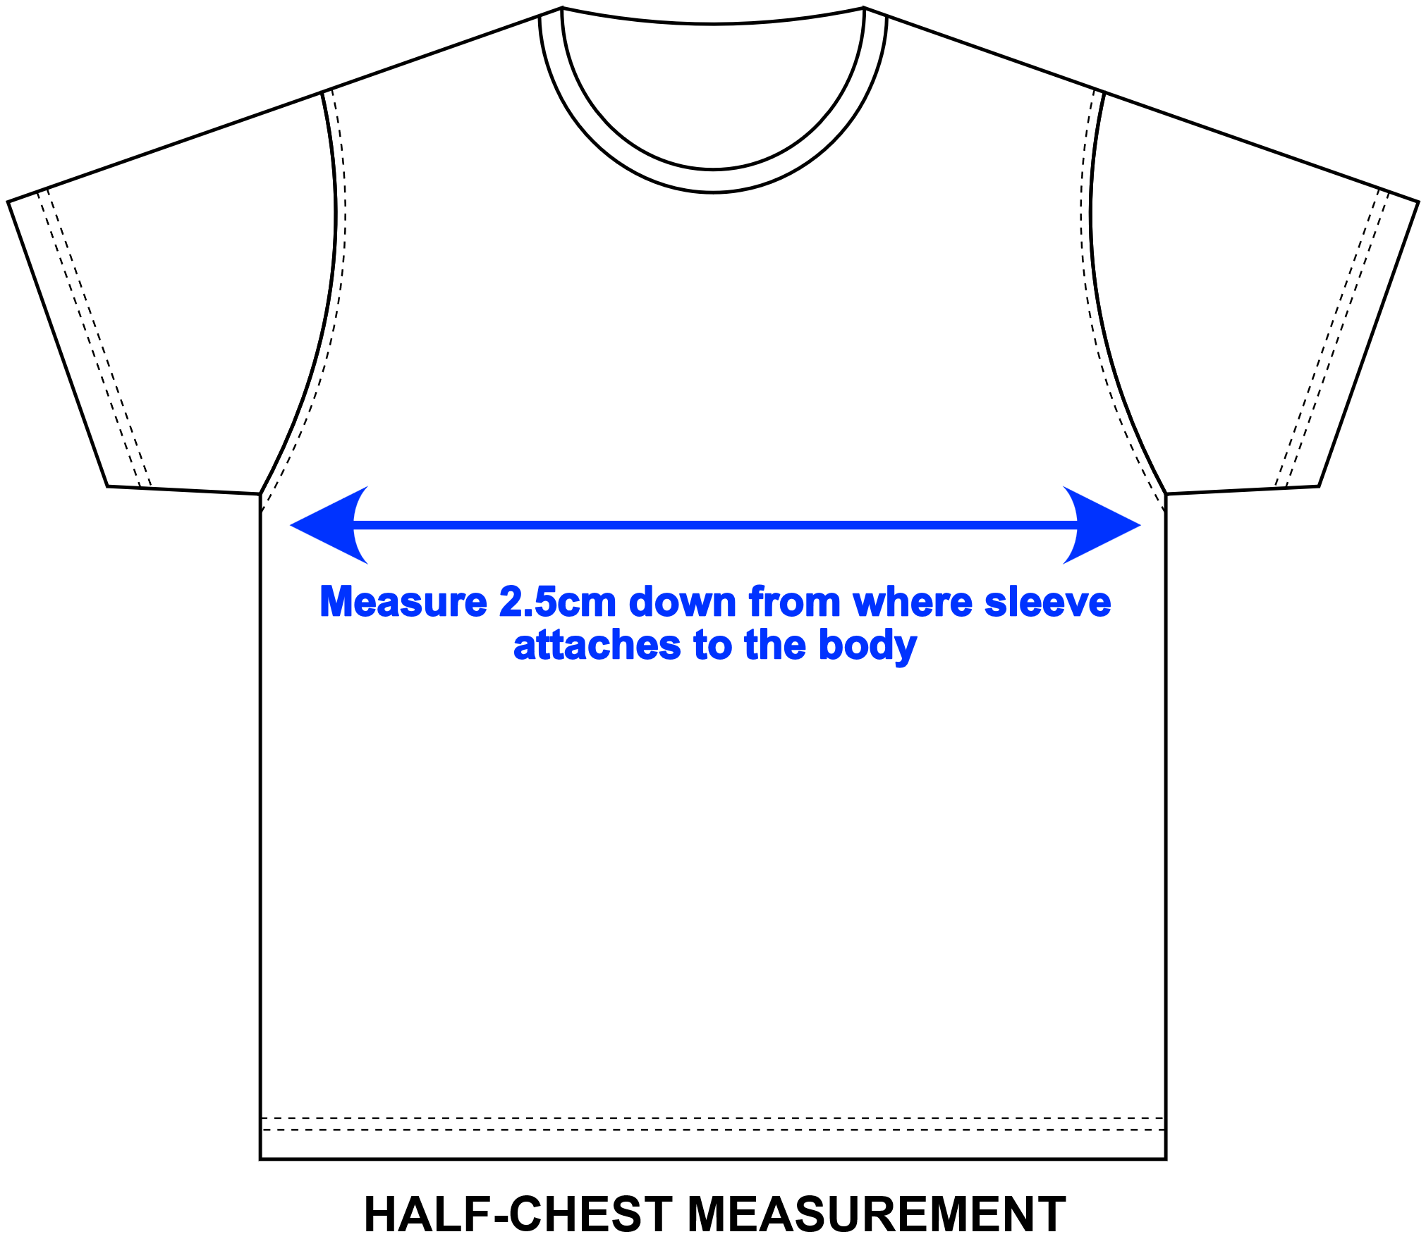
SIZE | AVER AGE | JERSEY 1/2 CHEST (cm)
5XS | AGE 5-6 | 37
4XS | AGE 7-8 | 39.5
3XS | AGE 9-10 | 42
2XS | AGE 11-12 | 44.5
XS | AGE 13-14 | 47
S | YTH TO SNR | 49.5
M | YTH TO SNR | 52
L | YTH TO SNR | 54
XL | YTH TO SNR | 56.5
2XL | YTH TO SNR | 59
3XL | YTH TO SNR | 62

